Sheet2
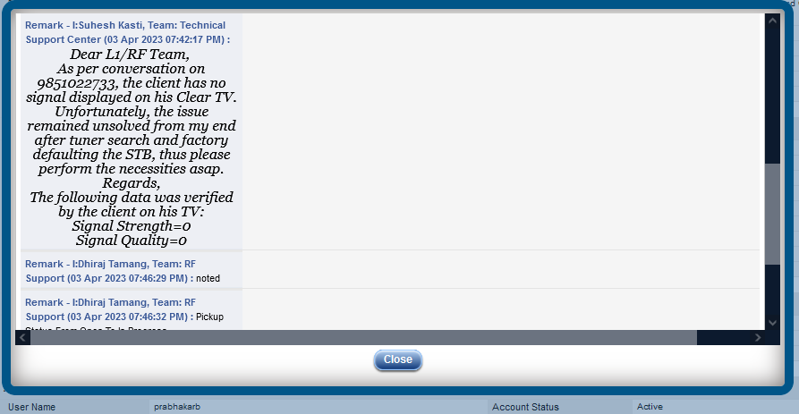
1
Call Time | Campaign Name | Phone | System Disposition | Customer Setup Time | Customer Ringing Time | IVR Time | Customer Talk Time | User Name | Disposition Code | User Setup Time | User Ringing Time | User Talk Time | ACW Duration | Call Notes
3/4/23 | Support_in | 9803542406 | CONNECTED | 0:02:26 | 0:00:00 | 0:00:34 | 0:01:52 | Ramuna Chauhan | RF-FTTH-Los of Signal | 0:00:00 | 0:00:13 | 0:01:52 | 0:01:03
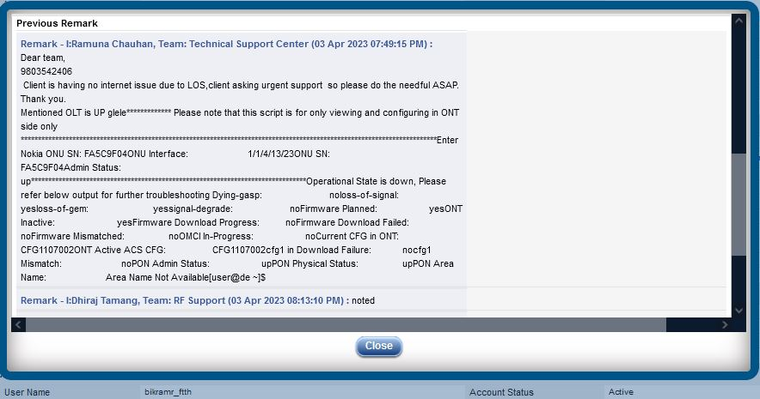

2
Call Time | Campaign Name | Phone | System Disposition | Customer Setup Time | Customer Ringing Time | IVR Time | Customer Talk Time | User Name | Disposition Code | User Setup Time | User Ringing Time | User Talk Time | ACW Duration | Call Notes
12/4/23 | Support_in | 9841635869 | CONNECTED | 0:03:17 | 0:00:00 | 0:00:04 | 0:03:17 | Archana Thapa | RF-DTV-No Signal | 0:00:00 | 0:00:04 | 0:03:13 | 0:01:12
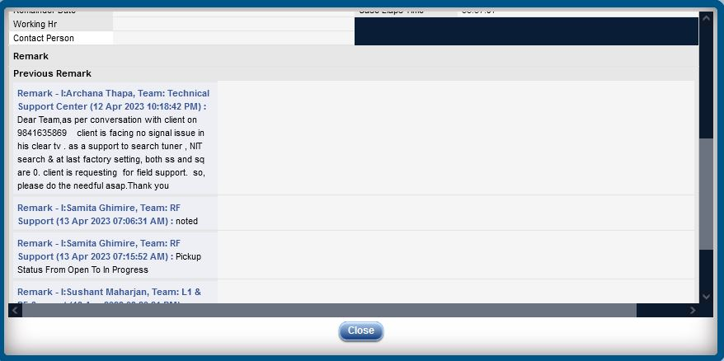

3
Call Time | Campaign Name | Phone | System Disposition | Customer Setup Time | IVR Time | Customer Talk Time | User Name | Disposition Code | User Ringing Time | User Talk Time | ACW Duration | Call Notes
1/4/23 | Support_in | 9818148444 | CONNECTED | 0:00:19 | 0:00:09 | 0:00:19 | Alina Gurung | Client requested to call back | 0:00:09 | 0:00:09 | 0:00:11
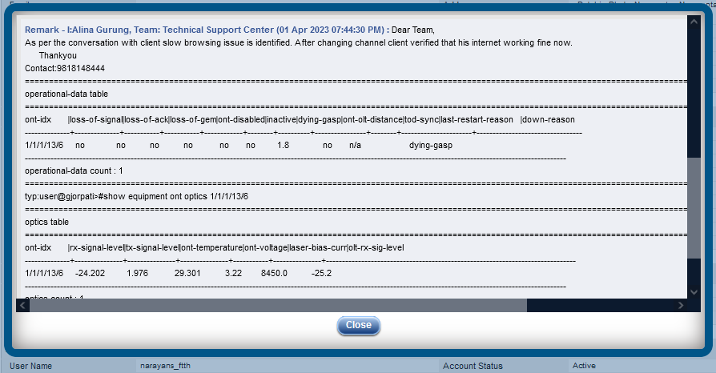

4
Call Time | Campaign Name | Phone | System Disposition | Customer Setup Time | IVR Time | Customer Talk Time | User Name | Disposition Code | User Ringing Time | User Talk Time | ACW Duration | Call Notes
3/4/23 | Support_in | 9813855741 | CONNECTED | 0:03:20 | 0:00:10 | 0:03:10 | Krishna Shrestha | RF-FTTH-Los of Signal | 0:00:10 | 0:03:10 | 0:00:41
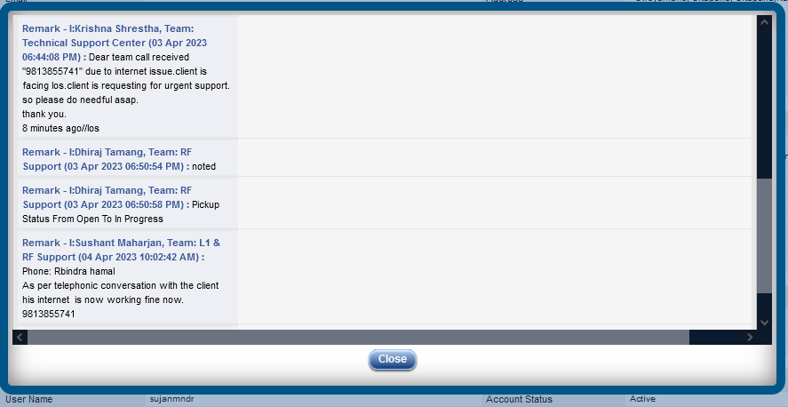

5
Call Time | Campaign Name | Phone | System Disposition | Customer Setup Time | IVR Time | Customer Talk Time | User Name | Disposition Code | User Ringing Time | User Talk Time | ACW Duration | Call Notes
3/4/23 | Support_in | 9851022733 | CONNECTED | 0:09:48 | 0:01:10 | 0:08:38 | Suhesh Kasti | RF-DTV-No Signal | 0:00:02 | 0:08:38 | 0:01:17

